Sheet1
Bright TV

Cultural Reach (Verified Audience)
Age Group Viewship
Cross-Sectional Analysis: Age vs Location

Indian/Asian | 8%
White | 12%
Coloured | 25%
Black | 55%
 | Subscriber_Count
Boomers (56+) | 113
Gen X (41-55) | 858
Gen Z (under 25) | 762
Millennials (25-40) | 2722
 |  | Sum of Subscriber_Count | Age_Groups
 |  | Province | Boomers (56+) | Gen X (41-55) | Gen Z (under 25) | Millennials (25-40)
 |  | Eastern Cape | 10 | 67 | 53 | 157
 |  | Free State | 1 | 34 | 35 | 86
 |  | Gauteng | 51 | 336 | 278 | 1039
 | % of Viewship
Female | 35%
Male | 65%
 |  | Kwazulu Natal | 11 | 87 | 77 | 305
 |  | Limpopo | 5 | 37 | 82 | 244
 |  | Mpumalanga | 4 | 68 | 100 | 248
Cross-Sectional Analysis: Age vs Location
 | Boomers (56+) | Gen X (41-55) | Gen Z (under 25) | Millennials (25-40)
Eastern Cape | 10 | 67 | 53 | 157
Free State | 1 | 34 | 35 | 86
Gauteng | 51 | 336 | 278 | 1039
Kwazulu Natal | 11 | 87 | 77 | 305
Limpopo | 5 | 37 | 82 | 244
Mpumalanga | 4 | 68 | 100 | 248
None | 0 | 0 | 0 | 1
North West | 6 | 32 | 27 | 96
Northern Cape | 6 | 5 | 17 | 58
Western Cape | 19 | 192 | 92 | 488
 |  | None |  |  |  | 1
 |  | North West | 6 | 32 | 27 | 96
 |  | Northern Cape | 6 | 5 | 17 | 58
 |  | Western Cape | 19 | 192 | 92 | 488
 |  | Total | 113 | 858 | 761 | 2722

55%
Geographical Concentration (Top 3 Countries with high Subscribtion)
Strategic Imperative 2: Targeted Acquisition
Demographic Radar
Synthesis: The Engagement Lifecycle
75%
75%
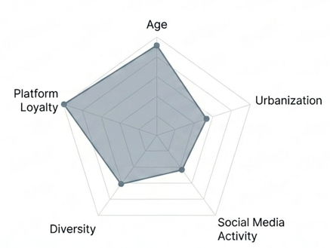
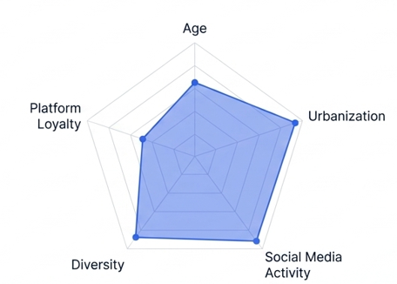

%
25%
10%

Audience Persona 1 | Aufience Persona 2

